Sheet1
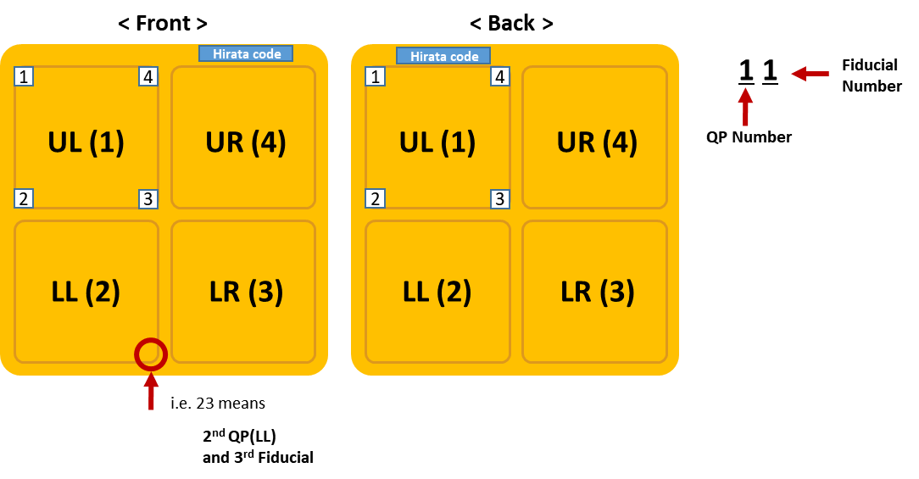
 | PtV distance | x distance | y distance | inner diameter | outer diameter
11 | 0.009098 | 0.004573 | -0.007866 | 0.017521 | 0.305259
12 | 0.004638 | -0.002949 | -0.003579 | 0.017632 | 0.304916
13 | 0.005396 | -0.001721 | -0.005115 | 0.015766 | 0.305417
14 | 0.003770 | 0.003319 | -0.001788 | 0.016774 | 0.303536
21 | 0.006758 | -0.006625 | -0.001331 | 0.016328 | 0.306481
22 | 0.004253 | 0.001721 | 0.003890 | 0.016906 | 0.304707
23 | 0.005266 | 0.001365 | -0.005086 | 0.018231 | 0.302250
24 | 0.006427 | -0.003612 | -0.005316 | 0.029541 | 0.304541
31 | 0.003387 | -0.001327 | -0.003117 | 0.030404 | 0.306441
32 | 0.003445 | 0.003415 | -0.000450 | 0.017507 | 0.304427
33 | 0.003266 | 0.000054 | 0.003265 | 0.018119 | 0.305256
34 | 0.005851 | -0.002753 | -0.005163 | 0.018763 | 0.304362
41 | 0.006253 | 0.003348 | -0.005281 | 0.018514 | 0.304662
42 | 0.006552 | -0.000336 | -0.006544 | 0.016738 | 0.295096
43 | 0.003876 | 0.000600 | -0.003829 | 0.018035 | 0.295825
44 | 0.295825 | 0.001144 | -0.004305 | 0.030541 | 0.305277

